Sheet1
TGT Deep SKUS
 |  | 31 |  | Pallets
 |  | 44,440 |  | Units
 |  | VALUE: |  | $86,873.40

# of Pallets | Description | Units | Retail Value | Total Value | Total Pallet Value | Picture
10 | Swan Hydrogen Peroxide | 1,992 | $0.95 | $1,892.40 | $1,892.40 | 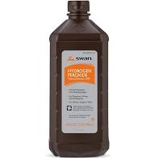

1 | Travelsmart Travel Humidifier | 78 | $14.99 | $1,169.22 | $1,169.22 | 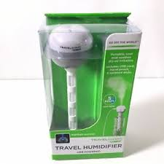

1 | Blue & Green Plastic Dinner Bowls | 2,263 | $0.79 | $1,787.77 | $1,787.77 | 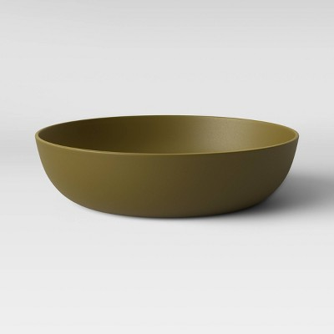 | 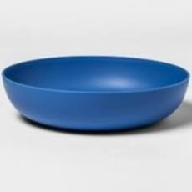

1 | Blue & Green Plastic Tumblers | 2,664 | $0.79 | $2,104.56 | $2,104.56 | 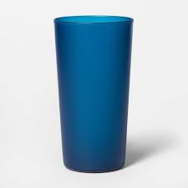 | 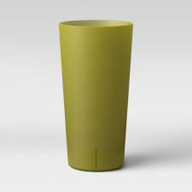

1 | Blue & Green Plastic Bowls & Plates | 2,124 | $0.79 | $1,677.96 | $1,677.96 | 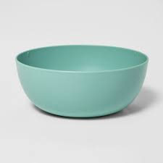 | 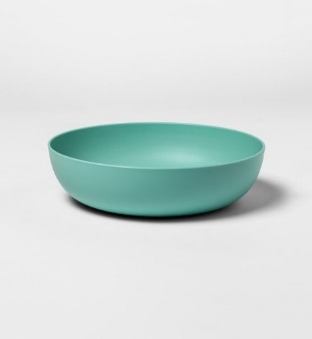

1 |  |  |  |  | $7,289.28 | 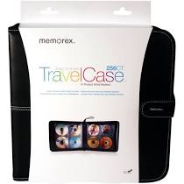 | 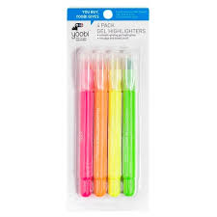 | 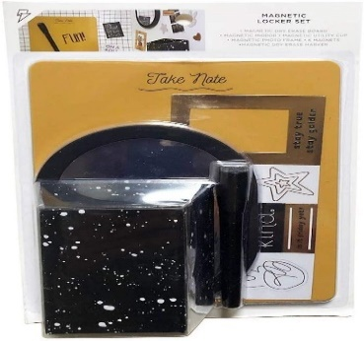

 | 5 PC Locker Set | 96 | $18.99 | $1,823.04
 | Highlighters | 480 | $4.99 | $2,395.20
 | CD-DVD Holder | 96 | $31.99 | $3,071.04

1 | 5 Pc Magnetic Locker Décor Set | 468 | $18.99 | $8,887.32 | $8,887.32

1 |  |  |  |  | $2,776.44 |  |  | 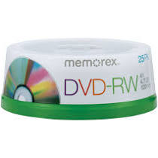

 | Blue Plastic Tumblers | 1,224 | $0.79 | $966.96
 | Blue Plastic Bowls | 1,080 | $0.79 | $853.20
 | Blank CD-DVDs | 52 | $18.39 | $956.28

1 |  |  |  |  | $3,361.60 | 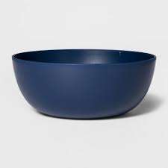 | 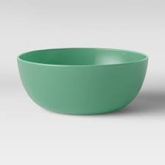 | 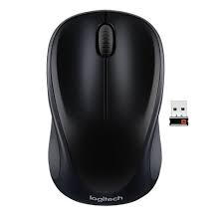

 | Blue Plastic Bowls | 864 | $0.79 | $682.56
 | Green Plastic Bowls | 720 | $0.79 | $568.80
 | Wireless Mouse | 176 | $11.99 | $2,110.24

1 |  |  |  |  | $2,442.92 |  |  | 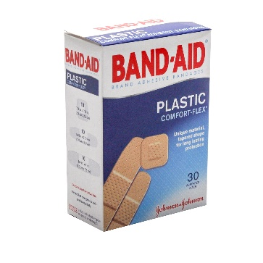
 | Highlighters | 144 | $4.99 | $718.56

 | Blue Plastic Tumblers | 1,296 | $0.79 | $1,023.84

 | Bandaids | 260 | $1.71 | $444.60

 | CD Holder | 8 | $31.99 | $255.92

1 |  |  |  |  | $2,655.84 | 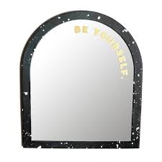 | 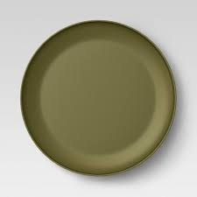

 | Locker Mirror | 168 | $5.99 | $1,006.32
 | Green Plastic Plates | 792 | $0.79 | $625.68
 | Blue Plastic Plates | 1,296 | $0.79 | $1,023.84

1 |  |  |  |  | $1,621.08

 | Blue Plastic Cereal Bowls | 324 | $0.79 | $255.96
 | Green Plastic Dinner Bowls | 648 | $0.79 | $511.92
 | Blue Plastic Dinner Bowls | 1,080 | $0.79 | $853.20

1 |  |  |  |  | $2,104.56

 | Blue/Green Plastic Dinner Plate | 1,296 | $0.79 | $1,023.84

 | Blue/Green Plastic Dinner Bowls | 1,368 | $0.79 | $1,080.72

1 |  |  |  |  | $7,260.12

 | Blue Plastic Dinner Bowls | 324 | $0.79 | $255.96
 | Blue Plastic Tumblers | 2,520 | $0.79 | $1,990.80
 | 5 PC Locker Set | 264 | $18.99 | $5,013.36

1 |  |  |  |  | $2,313.28

 | Green Plastic Dinner Bowls | 2,232 | $0.79 | $1,763.28

 | 2 Pocket Portfolio Folders | 1,000 | $0.55 | $550.00

1 | Blue Plastic Dinner Bowls | 1,944 | $0.79 | $1,535.76 | $1,535.76

1 |  |  |  |  | $2,019.24

 | Green Plastic Dinner Bowls | 1,224 | $0.79 | $966.96
 | Blue Plastic Tumblers | 1,260 | $0.79 | $995.40
 | Blue Plastic Dinner Plates | 72 | $0.79 | $56.88

1 |  |  |  |  | $1,507.32 | 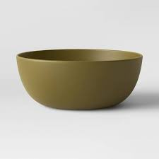

 | Green Plastic Dinner Bowls | 720 | $0.79 | $568.80
 | Blue Plastic Dinner Bowls | 1,044 | $0.79 | $824.76
 | Green Plastic Cereal Bowls | 144 | $0.79 | $113.76

1 |  |  |  |  | $2,161.44

 | Blue/Green Plastic Dinner Plates | 2,160 | $0.79 | $1,706.40

 | Blue/Green Plastic Cereal Bowls | 576 | $0.79 | $455.04

1 |  |  |  |  | $1,877.04

 | Blue/Green Plastic Tumblers | 1,512 | $0.79 | $1,194.48

 | Blue/Green Plastic Dinner Plates | 864 | $0.79 | $682.56

1 |  |  |  |  | $8,676.50 |  | 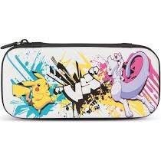 | 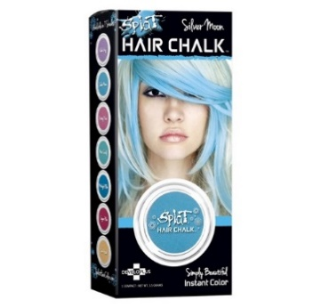 | 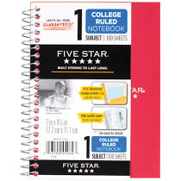
 | Blue Plastic Tumblers | 1,476 | $0.79 | $1,166.04

 | Nintendo Pokemon Switch Case | 768 | $8.99 | $6,904.32

 | Five Star Notebooks | 16 | $4.19 | $67.04

 | Splat Hair Chalk | 90 | $5.99 | $539.10

1 | Biotherm Pure-Fect Skin Cleanser | 31 | $33.00 | $1,023.00 | $19,751.75
 | Grangers Perf. Wash & Repel | 22 | $16.99 | $373.78
 | Direk-Tek Mobile Accessories | 640 | $17.86 | $11,430.40
 | Travelsmart Travel Humidifiers | 80 | $14.99 | $1,199.20
 | Credit Card Wallets | 232 | $8.99 | $2,085.68
 | JM Royal Masks 10ct | 13 | $47.49 | $617.37
 | Snail Facial Cleanser | 40 | $9.99 | $399.60
 | Clarins Cleansing Gel | 13 | $28.81 | $374.53
 | Philosophy Hope in a Jar | 31 | $39.99 | $1,239.69
 | Snail Recovery Gel | 21 | $16.00 | $336.00
 | Elisa Coy Brightening Mask | 50 | $13.45 | $672.50

